process chillers
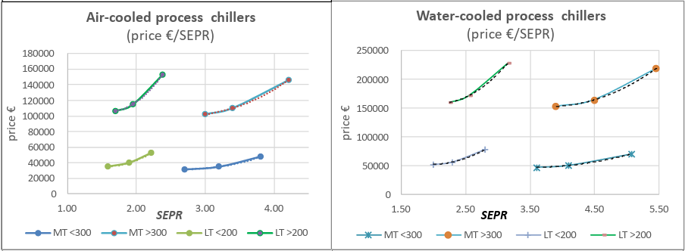
https://ecoprorefrigeration.eu/documents.htm#a20230206

 | Table 77: Price and efficiency relationship
 |  | Prices (EUR 2020) |  |  | Efficiency Metric (SEPR) |  |  | Elasticity
 |  | BC | Mid | BAT | BC | Mid | BAT | Mid | BAT
 | АС МТ <300 | 31831 | 35000 | 47588 | 2.70 | 3.20 | 3.81 | 0.53760799221 | 1.2041041072
 | АС МТ >300 | 102315 | 110000 | 146311 | 3.00 | 3.40 | 4.21 | 0.56333382202 | 1.0661290303
 | АС LT <200 | 35242 | 40000 | 52687 | 1.59 | 1.90 | 2.22 | 0.69246738221 | 1.2493007532
 | АС LT >200 | 106863 | 115000 | 152814 | 1.70 | 1.95 | 2.38 | 0.51778070988 | 1.0749978945
 | wc мт <300 | 47747 | 51000 | 71382 | 3.60 | 4.10 | 5.08 | 0.49053553103 | 1.2040660259
 | wc мт >300 | 153473 | 165000 | 219466 | 3.90 | 4.50 | 5.46 | 0.48819987881 | 1.0749936471
 | wc 1-т <200 | 52863 | 57000 | 79030 | 2.00 | 2.30 | 2.81 | 0.52172597091 | 1.2222135812
 | wc LT >200 | 160294 | 172000 | 229221 | 2.25 | 2.55 | 3.16 | 0.5477123286 | 1.0631957597
 | *200/300 = capacity in kW
 |  |  |  |  |  |  |  | 0.84489777592

indst heat pumps
Source #1 | (not used)
https://heatpumpingtechnologies.org/content/uploads/sites/70/2023/09/annex-58-task-1-technologies-task-report.pdf

 |  |  |  |  | Tlift | Tlift | Tlift | Tlift | Tlift | Tlift | Tlift | Tlift | Tlift | Tlift | Tlift | Tlift | Tlift | Tlift | Tlift | Tlift | Tlift | Tlift | Tlift | Tlift | Tlift | Tlift | Tlift | Tlift | Tlift
 |  | MW | Tmax | eur/kw | 149 | 60 | 60 | 55 | 50 | 100 | 109 | 115 | 135 | 47 | 110 | 147 | 148 | 200 | 96 | 106 | 96 | 103 | 133 | 71 | 45 | 90 | 104.5 | 130 | 65
Skala Fabrikk | SkaleUp | 0.3 | 115 | 600 |  |  |  |  |  | 1.95 | 2.3 | 2.5 | 2.8
ecop |  | 0.7 | 150 | 700
Mayekawa | HS comp | 0.75 | 120 | 450
COP vs Tlift
COP vs Upfront (EUR/kW)
Mayekawa | SFC comp | 1 | 145 | 720
GEA Refrigeration Netherlands |  | .1-1.2 | 130 | 250
Fenagy |  | 0.3-1.8 | 120 | 337.5 |  |  |  |  |  |  |  |  |  |  |  |  |  |  |  |  |  |  | ~50-70K lift |  |  | ~100K lift
Rank |  | 0.12-2 | 160 | 300 |  |  |  |  |  |  |  |  |  |  |  |  |  |  |  |  |  |  | 850 | 4.4 |  | 700 | 2.325
COMBITHERM GmbH |  | 0.3-3.3 | 120 | 300 |  |  |  |  |  |  |  |  |  |  |  |  |  |  |  |  |  |  | 700 | 3.5 |  | 600 | 1.95
Sustainable Process Heat |  | .3-5 | 165 | 575 |  |  |  |  |  |  |  |  |  |  |  |  |  |  |  |  |  |  | 525 | 4.1 |  | 525 | 2.6
Hybrid Energy |  | 0.5-5 | 188 | 340 |  |  |  |  |  |  |  |  |  |  |  |  |  |  |  |  |  |  | 300 | 3.4 |  | 400 | 3.15
Weel & Sandvig |  | 2.0-5 | 160 | 200 |  |  |  |  |  |  |  |  |  |  |  |  |  |  |  |  |  |  |  |  |  | 250 | 4.75
Olvondo |  | 5 | 200 | 1200 | 1.7
Heaten | HeatBooster | 1-6. | 200 | 300 |  | 3.4 | 3.3 | 3.9 | 4.6
enerin |  | 0.3-10 | 250 | 700 |  |  |  |  |  |  |  |  |  | 3.5 | 2.325 | 2.075 | 1.825 | 1.65
Enertime |  | 2-10. | 160 | 350
Spilling |  | 1-15. | 280 | 250 |  |  |  |  |  |  |  |  |  |  |  |  |  |  | 4.2 | 5.3
Epcon |  | .5-30 | 150 | 300
Turboden |  | 3-30. | 200 | 300-700
MAN Energy Solutions |  | 10.-50 | 150 | 400 |  |  |  |  |  |  |  |  |  |  |  |  |  |  |  |  | 3.25 | 3.05 | 2.85
Piller |  | 1-70. | 212 | 850 |  |  |  |  |  | *we find no correlation between higher upfront costs and higher COPs |  |  |  |  |  |  |  |  |  |  |  |  |  | 4.4
Siemens Energy |  | 8-80. | 160 | 525 |  |  |  |  |  | we hypothesize other factors (capacity, compressor type, refrigerant) contribute |  |  |  |  |  |  |  |  |  |  |  |  |  |  | 4.1 | 2.7 | 2.5 | 2.9
Qpinch |  | >2 | 230 | 1500 |  |  |  |  |  | more to capital investment given the industrial heat pump market is nascent |  |  |  |  |  |  |  |  |  |  |  |  |  |  |  |  |  |  | 0.45

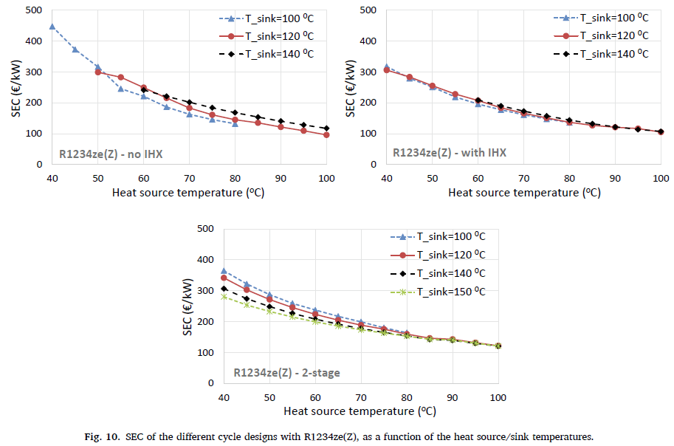
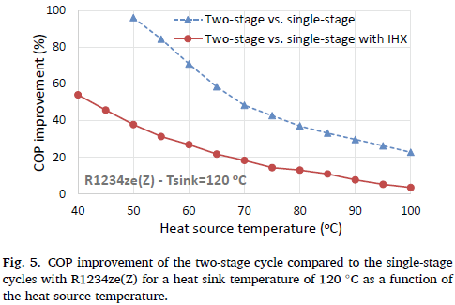
Source #2
https://doi.org/10.1016/j.enconman.2020.113488

 | Configuration effect on COP
 | For 80/120 T_source/sink
 |  | SEC | COP | COP improvement by switching to 2-stage compression cycle
 | single, no IHX | 144.2 | 2.8444 | 0.31975937464
 | single, IHX | 136.5 | 3.4495 | 1.2461223756
 | two-stage | 159.5 | 3.9083 |  | 0.78294087514

 | Pinch Point effect on COP (sc w/o IHX) |  |  |  | w/ IHX |  |  |  | 2-stage
 |  | evap |  |  |  | evap |  |  |  | evap
 | condensor | 3K | 5K |  | condensor | 3K | 5K |  | condensor | 3K | 5K
 | 3K | 3.587 | 3.085 |  | 3K | 3.982 | 3.602 |  | 3K | 4.347 | 4.058
 | 5K | 3.404 | 2.888 |  | 5K | 3.815 | 3.465 |  | 5K | 4.179 | 3.905

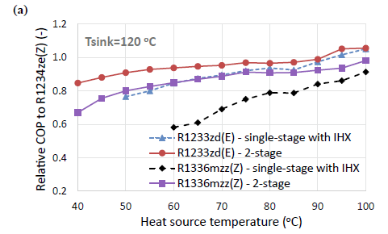
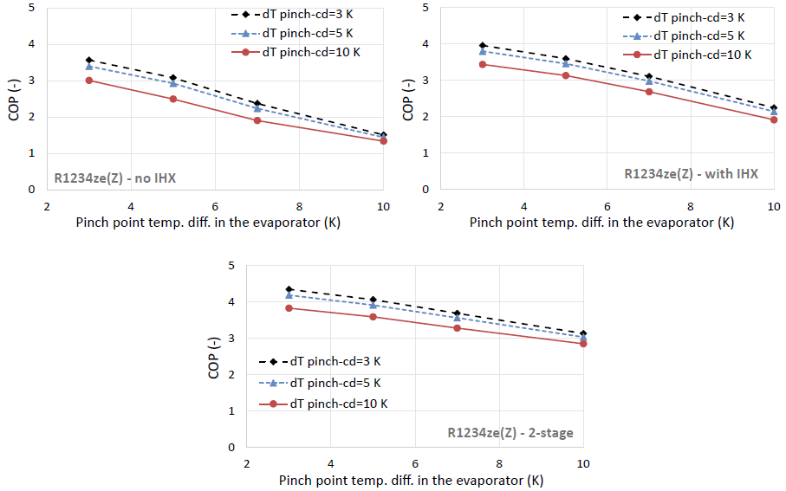
 | Pinch Point effect on SEC (sc w/o IHX) |  |  |  | w/ IHX |  |  |  | 2-stage
 |  | evap |  |  |  | evap |  |  |  | evap
 | condensor | 3K | 5K |  | condensor | 3K | 5K |  | condensor | 3K | 5K
 | 3K | 149.84 | 148.64 |  | 3K | 149.85 | 137.76 |  | 3K | 169.7
 | 5K | 138.97 | 142.6 |  | 5K | 137.76 | 130.514 |  | 5K |  | 158.79

 | Pinch Point e (sc w/o IHX) |  |  |  | w/ IHX |  |  |  | 2-stage
 | 0.20976791128 |  |  |  | 0.99293823211 |  |  |  | 0.60701632453
 | average e:
 | 0.60324082264

 | Varied refrigerant
 | we do not calculate elasticities for adjusting refrigerants as the gain in COP for switching to
 | R1233zd(E) is only at low temperature lifts; no gain is found at the 80/120C source/sink standard
 |  |  |  |  |  |  |  |  |  |  |  | 150
 | ε assumption: |  |  |  |  |  |  |  |  |  |  | 624
 | 0.6931

Source #3
https://doi.org/10.1016/j.enconman.2023.117194
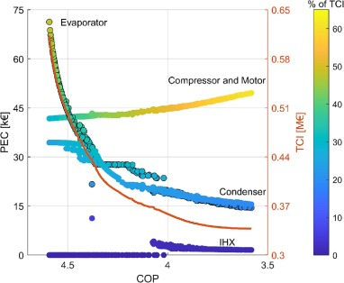
 | x | y |  | ε by step:
 | 4.5947521866 | 0.61180308422
 | 4.5510204082 | 0.54122182681 |  | 13.57143379
 | 4.5014577259 | 0.49928825623 |  | 7.6279680796
 | 4.4504373178 | 0.46981020166 |  | 5.4731220805
 | 4.4008746356 | 0.44365361803 |  | 5.2350542623
 | 4.3498542274 | 0.41791221827 |  | 5.2514334374
 | 4.3002915452 | 0.40005931198 |  | 3.8719312781
 | 4.250728863 | 0.39051008304 |  | 2.0972232149
 | 4.2011661808 | 0.38179122183 |  | 1.9357482934
 | 4.1516034985 | 0.37473309609 |  | 1.5777144666
 | 4.1005830904 | 0.36933570581 |  | 1.1745302714
 | 4.0510204082 | 0.36476868327 |  | 1.0233524629
 | 4 | 0.35895610913 |  | 1.2695307336
 | 3.9504373178 | 0.35314353499 |  | 1.3119208046
 | 3.8994169096 | 0.34774614472 |  | 1.1862527716
 | 3.8498542274 | 0.34442467378 |  | 0.74907565919
 | 3.8002915452 | 0.34193357058 |  | 0.55861435641
 | 3.7580174927 | 0.33985765125 |  | 0.54299813444
 | 3.6997084548 | 0.33861209964 |  | 0.23339464004
 | 3.6501457726 | 0.33819691578 |  | 0.09041203293
 | 3.5801749271 | 0.33778173191 |  | 0.062891425227
 |  |  |  | 2.1722720213 | average
 |  |  |  | 2.3251416141 | endpoints

